Sheet1
 | HLS original | sea level correction | HLS corrected
1997 | -2.5 | 7.6 | -10.1
1995 | -0.2 | 7.2 | -7.4
1993 | 1.5 | 6.8 | -5.3
1986 | 2.5 | 5.4 | -2.9
1985 | 2.2 | 5.2 | -3
1984 | 1.8 | 5 | -3.2
1983 | 3.75 | 4.8 | -1.05
1981 | 4.8 | 4.4 | 0.4
1978 | 5.2 | 3.8 | 1.4
1976 | 8.2 | 3.4 | 4.8
1974 | 10 | 3 | 7
1973 | 8.5 | 2.8 | 5.7
1970 | 7 | 2.2 | 4.8
1968 | 6.5 | 1.8 | 4.7
1966 | 4 | 1.4 | 2.6
1965 | 3.2 | 1.2 | 2
1964 | 2.5 | 1 | 1.5
1963 | 1.8 | 0.8 | 1
1962 | 1 | 0.6 | 0.4
1961 | 6.2 | 0.4 | 5.8
1959
Calculations for the Bai Head Coral
 | Year | HLS original | sea level correction | HLS corrected
1998 | 1997 | -2.5 | 7.6 | -10.1
1996 | 1995 | -0.2 | 7.2 | -7.4
1994 | 1993 | 1.5 | 6.8 | -5.3
1987 | 1986 | 2.5 | 5.4 | -2.9
1986 | 1985 | 2.2 | 5.2 | -3
1985 | 1984 | 1.8 | 5 | -3.2
1984 | 1983 | 3.75 | 4.8 | -1.05
1982 | 1981 | 4.8 | 4.4 | 0.4
1979 | 1978 | 5.2 | 3.8 | 1.4
1977 | 1976 | 8.2 | 3.4 | 4.8
1975 | 1974 | 10 | 3 | 7
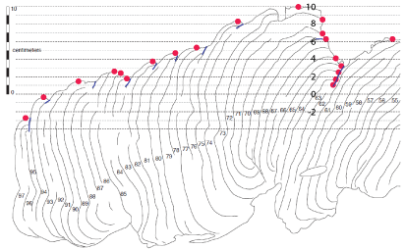
1974 | 1973 | 8.5 | 2.8 | 5.7
1971 | 1970 | 7 | 2.2 | 4.8
1969 | 1968 | 6.5 | 1.8 | 4.7
1967 | 1966 | 4 | 1.4 | 2.6
1966 | 1965 | 3.2 | 1.2 | 2
1965 | 1964 | 2.5 | 1 | 1.5
1964 | 1963 | 1.8 | 0.8 | 1
1963 | 1962 | 1 | 0.6 | 0.4
1962 | 1961 | 6.2 | 0.4 | 5.8
1960 | 1959

